HDFCAALFOF

HDFC Asset Allocator Fund of Funds (An open ended fund of fund investing in equity oriented, Debt oriented and Gold ETF schemes) |  |  |  |  |  |  |  |  |  | Income | Hybrid
Portfolio as on 31-Aug-2024

 | ISIN | Coupon (%) | Name Of the Instrument | Industry+ /Rating | Quantity | Market/ Fair Value (Rs. in Lacs.) | % to NAV | Yield | ~YTC (AT1/Tier 2 bonds)
 | MONEY MARKET INSTRUMENTS
 | TREPS - Tri-party Repo
 |  |  | TREPS - Tri-party Repo |  |  | 11,264.02 | 3.47 | 6.6208
 | Sub Total |  |  |  |  | 11,264.02 | 3.47
 | Total |  |  |  |  | 11,264.02 | 3.47
 | OTHERS
 | Mutual Fund Units
| | INF179K01UT0 |  | HDFC Flexi Cap Fund - Direct Plan- Growth Option |  | 2,808,391 | 57,845.81 | 17.83
| | INF179K01YV8 |  | HDFC Top 100 Fund - Direct Plan - Growth Option |  | 4,359,291 | 55,114.74 | 16.99
| | INF179K01YM7 |  | HDFC Short Term Debt Fund - Growth Option - Direct Plan |  | 152,370,899 | 46,858.47 | 14.44
| | INF179KC1981 |  | HDFC Gold Exchange Traded Fund |  | 67,324,985 | 42,307.02 | 13.04
| | INF179K01VF7 |  | HDFC Low Duration Fund - Direct Plan - Growth Option |  | 32,692,027 | 19,152.82 | 5.90
| | INF179K01WI9 |  | HDFC Medium Term Debt Fund - Growth Option - Direct Plan |  | 32,044,992 | 18,216.55 | 5.62
| | INF179K01WL3 |  | HDFC Income Fund - Direct Plan - Growth Option |  | 23,088,733 | 13,889.33 | 4.28
| | INF179KA1RW5 |  | HDFC Small Cap Fund - Direct Plan- Growth Option |  | 8,179,455 | 13,105.53 | 4.04
| | INF179K01XQ0 |  | HDFC Mid Cap Opportunities Fund - Direct Plan - Growth Option |  | 6,143,220 | 12,745.40 | 3.93
| | INF179K01VQ4 |  | HDFC Floating Rate Debt Fund - Direct Plan - Growth Option |  | 21,459,019 | 10,208.36 | 3.15
 | INF179K01VS0 |  | HDFC Gilt Fund - Growth Option - Direct Plan |  | 15,053,555 | 8,207.27 | 2.53
 | INF179KC1AO6 |  | HDFC Dividend Yield Fund - Direct Plan - Growth Option |  | 16,433,304 | 4,560.08 | 1.41
 | INF179KC1BG0 |  | HDFC Banking & Financial Services Fund - Direct Plan - Growth Option |  | 26,936,961 | 4,465.61 | 1.38
 | INF179KA1RQ7 |  | HDFC Large and Mid Cap Fund - Direct Plan- Growth Option |  | 923,942 | 3,347.31 | 1.03
 | INF179KC1ET7 |  | HDFC Long Duration Debt Fund - Direct Plan - Growth Option |  | 28,087,193 | 3,284.71 | 1.01
 | Net Current Assets
 |  |  | Net Current Assets |  |  | -177.26 | -0.05
 | Sub Total |  |  |  |  | 313,131.75 | 96.53
 | Total |  |  |  |  | 313,131.75 | 96.53

 | Grand Total |  |  |  |  | 324,395.77 | 100.00
| | Top Ten Holdings
 | + Industry Classification as recommended by AMFI
 | £ - Sponsor Company
 | ** Thinly Traded/ Non-Traded Securities (Equity) as on August 30, 2024
 | ^ Non-Traded Securities (Debt) as on August 30, 2024
 | # Non Sensex Scrips
 | @ Less than 0.01%.
 | ~ YTC i.e. Yield to Call is disclosed at security level only for Additional Tier 1 Bonds and Tier 2 Bonds issued by Banks as per AMFI Best Practices Notification 135/BP/91/2020-21 read with SEBI circular SEBI/HO/IMD/DF4/CIR/P/2021/034

 | Portfolio Classification by Asset Class(%)
 | Mutual Fund Units |  | 96.58
 | Cash, Cash Equivalents and Net Current Assets |  | 3.42
 | Portfolio Classification by Rating Class(%)
 | Cash, Cash Equivalents and Net Current Assets |  | 100.00

 | Notes :
 | 1) NAV History
 | NAVs per unit (Rs.) | August 30, 2024 | July 31, 2024
 | IDCW Option | 17.02 | 16.81
 | IDCW Option - Direct Plan | 17.72 | 17.48
 | Growth Option | 17.02 | 16.81
 | Growth Option - Direct Plan | 17.72 | 17.48

 | Dividend History - Dividend declared during the month ended August 31, 2024 : Nil

 | Bonus History - Bonus declared during the month ended August 31, 2024: Nil

 | 2) Total below investment grade or default provided for and its percentage to NAV : Nil
 | 3) Total investments in Foreign Securities / Overseas ETFs / ADRs / GDRs : Nil
 | 4) Repo in Corporate Debt : Nil
 | 5) Total outstanding exposure in Derivative Instruments as on Aug 31, 2024 : Nil
 | 6) IDCW stands for Income Distribution cum Capital Withdrawal
 | 7) Riskometer based on Scheme Portfolio and Portfolio Benchmark "90% NIFTY 50 Hybrid Composite Debt 65:35 Index (Total Returns Index) and 10% Domestic Prices of Gold arrived at based on London Bullion Market Association's (LBMA) AM fixing price" as on Aug 31, 2024

 | Scheme Riskometer:
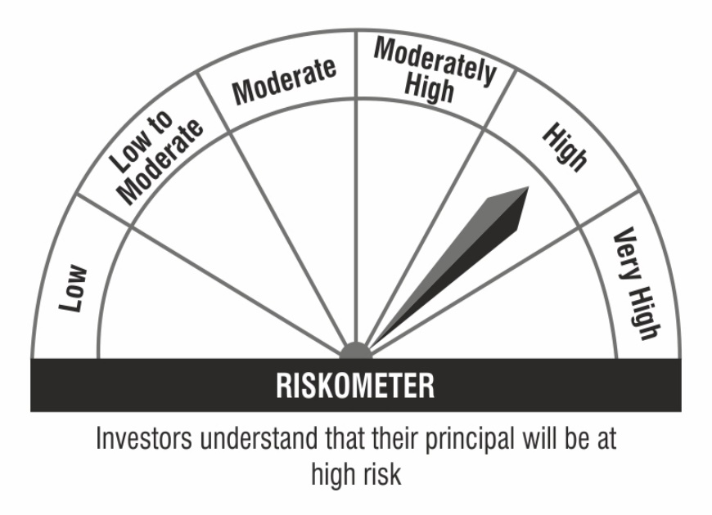

 | Benchmark Riskometer:

